Test Cycle 1

 |  |  |  |  |  |  |  |  |  |  |  |  | Not Ready | Not Ready | Not Executed
 |  |  |  |  |  |  |  |  |  |  |  |  | Ready | Ready | WIP
 |  |  |  |  |  |  |  |  |  |  |  |  | Testing – WIP | WIP | Passed
 |  |  |  |  |  |  |  |  |  |  |  |  | Testing – Passed | Passed | Failed
 |  |  |  |  |  |  |  |  |  |  |  |  | Testing – Failed | Failed
Mapping | FDE_INT_BANK_CARD_OUTBOUND_V2, FDE_INT_PAYMENT_EXPORT_V4_KZ, FDE_INT_POINT_TRANS_PB_EXPORT_V2 |  |  | Entity | PM/PB, BC Outbound |  |  |  |  |  |  |  | Review – WIP
Workflow | FDE_INT_BANK_CARD_OUTBOUND_V2, RUN_OUTBOUND_PM_KZ, RUN_OUTBOUND_PB_KZ, JTI_DWH_ETLComplete_Incremental, JTI_OLTP_EIM |  |  | Date tested | 2019-11-07 | Tested By | Misa |  |  |  |  |  | Review – Passed
Test Script Status | Review – Passed |  |  | Date reviewed |  | Reviewed By | Anju |  |  |  |  |  | Review – Failed
Test Script Description | Check if the outbound file is populated by the S_CONTACT_X.ATTRIB_38 value.
Test Step No. | Test Details 1 | Test Details 2 | Test Execution | Test Execution script | Expected Result | Expected Result script | Actual Result Observed | Test Status | Test Status Comments | Review Status | Review Status Comments | Reviewer’s Actual Result Observed
PM
1 | Reset test data | Run following script | OLTP DB | UPDATE CX_AGR_PL_ITEM SET X_PAID_TYPE_CD='To be Paid' WHERE ROW_ID IN ('1-165KQV','1-165KQW','1-165KQX','1-165KQY') | Record updated | SELECT ACC.NAME,D.ROW_ID,ITM.ROW_ID,ITM.X_PAID_TYPE_CD,C.ROW_ID, --CHG161158 C.CELL_PH_NUM, C.X_ATTRIB_14_CD, CON_X.ATTRIB_37 FROM S_DOC_AGREE D LEFT OUTER JOIN S_ORG_EXT ACC ON D.TARGET_OU_ID = ACC.PAR_ROW_ID LEFT OUTER JOIN S_PAYMENT_PLAN TMPL ON D.X_PAYMENT_PLAN_TEMP_ID = TMPL.ROW_ID LEFT OUTER JOIN CX_AGR_PL_ITEM ITM ON ITM.PAR_ROW_ID = D.ROW_ID LEFT OUTER JOIN S_CONTACT C ON ACC.PR_CON_ID = C.ROW_ID LEFT OUTER JOIN S_CONTACT_X CON_X ON C.ROW_ID = CON_X.ROW_ID --INC2226195 LEFT OUTER JOIN S_BU B ON B.ROW_ID = ACC.BU_ID LEFT OUTER JOIN S_BU B1 ON B1.ROW_ID=D.BU_ID LEFT OUTER JOIN S_PTY_PAY_PRFL PRFL ON PRFL.ROW_ID = C.PR_PER_PAY_PRFL_ID WHERE ITM.X_PAID_TYPE_CD='To be Paid' AND B.NAME ='Kazakhstan, KZ' ORDER BY C.CREATED DESC | 4 records are retrieved. | Passed |  | Passed
2 | Locate test data | Log on Sales Application CSTADMKZ: 1) Go to Contacts Tab > Query [Id]='1-43XLZF' 3) Check value Mobile Phone # 4) Drill down the Contact and go to the more info and check the fields value of Attribute 14 and Attribute 18 Refer to the screenshot 1 | Sales Application | N/A | N/A | N/A | N/A | Passed |  | Passed
3 | Run the workflow | Run the workflow 'RUN_OUTBOUND_PM_KZ' | N/A | N/A | N/A | N/A | Workflow run successfully. | Passed |  | Passed
4 | Check outbound field | Go to the server \\MRUINFO961\Interfaces_IP14\Kazakhstan\OUNP | Server | 1 file KZPM0401_20190712_xx.txt should be generated. | Refer to screenshot 2 | Check if CELL_PH_NUM,X_ATTRIB_14_CD,ATTRIB_37 value are correctly exported on the outbound file. | Refer to screenshot 3. | Passed |  | Passed
5 | Check if new entry is inserted on the WC_ETL_FILES_G table. | Run following script | OLAP DB | SELECT * FROM WC_ETL_FILES_G WHERE SUBSTRING(FILENAME,3,2)='PM' AND ETL_PROC_WID IN (select ETL_PROC_WID FROM W_PARAM_G) | 1 record should be inserted | SELECT * FROM WC_ETL_FILES_G WHERE SUBSTRING(FILENAME,3,2)='PM' AND ETL_PROC_WID IN (select ETL_PROC_WID FROM W_PARAM_G) | 1 record is inserted Refer to screenshot 4 | Passed |  | Passed
6 | Repeat step 1 | N/A | N/A | N/A | N/A | N/A | N/A | Passed |  | Passed
7 | Run the worklet 'JTI_DWH_ETLComplete_Incremental.Load_EIM' | N/A | N/A | N/A | N/A | N/A | Worklet run successfully. | Passed |  | Passed
8 | Repeat step 4 and 5 | N/A | N/A | N/A | N/A | N/A | N/A | Passed |  | Passed
BC
1 | Reset test data | Run following script | OLTP DB | UPDATE S_DOC_AGREE SET STAT_CD = 'Approved by Specialist' WHERE ROW_ID = '1-3QVH4B' | Record updated | SELECT ACC.NAME, DOC.ROW_ID, C.ROW_ID ,AGREE_NUM --CHG161158 ,C.PERSON_UID AS CONTACT_UID ,C.CELL_PH_NUM ,C.X_ATTRIB_14_CD ,CON_X.ATTRIB_37 FROM S_DOC_AGREE DOC INNER JOIN S_BU ON S_BU.ROW_ID = DOC.BU_ID LEFT OUTER JOIN S_ORG_EXT ACC ON ACC.PAR_ROW_ID = DOC.TARGET_OU_ID LEFT OUTER JOIN S_POSTN P ON ACC.PR_POSTN_ID = P.PAR_ROW_ID INNER JOIN S_CONTACT C ON ACC.PR_CON_ID = C.ROW_ID INNER JOIN S_CONTACT_X CON_X ON C.ROW_ID = CON_X.ROW_ID --INC2226195 LEFT OUTER JOIN S_ADDR_PER ADR ON ACC.PR_ADDR_ID = ADR.ROW_ID --LEFT OUTER JOIN S_PER_PAY_PRFL PRFL ON PRFL.ROW_ID=C.PR_PER_PAY_PRFL_ID LEFT OUTER JOIN S_PTY_PAY_PRFL PRFL ON PRFL.ROW_ID = C.PR_PER_PAY_PRFL_ID LEFT OUTER JOIN S_AGREE_POSTN POS ON POS.AGREE_ID = DOC.ROW_ID LEFT OUTER JOIN S_POSTN P1 ON POS.POSTN_ID = P1.ROW_ID LEFT OUTER JOIN S_ORG_EXT DIVN ON P1.OU_ID = DIVN.ROW_ID LEFT OUTER JOIN S_BU B1 ON B1.ROW_ID = DIVN.BU_ID WHERE DOC.STAT_CD = 'Approved by Specialist' AND S_BU.NAME = 'Kazakhstan, KZ' | 1 record is retrieved with CONTACT_UID contains cyrillic characters. | Passed |  | Passed
2 | Locate test data | Log on Sales Application CSTADMKZ: 1) Go to Contacts Tab > Query [Id]='1-3RTTN5' 3) Check value Mobile Phone # 4) Drill down the Contact and go to the More Info and check the fields value of Attribute 14 and Attribute 18 Refer to the screenshot 5 | Sales Application | N/A | N/A | N/A | N/A | Passed |  | Passed
3 | Run the workflow | Run the workflow 'FDE_INT_BANK_CARD_OUTBOUND_V1' | N/A | N/A | N/A | N/A | Workflow run successfully. | Passed |  | Passed
4 | Check outbound field | Go to the server \\MRUINFO961\Interfaces_IP14\Kazakhstan\OUNP | Server | 1 file KZBC0201_20190712_xx.txt should be generated. | Refer to screenshot 6 | Check if CONTACT_UID,CELL_PH_NUM,X_ATTRIB_14_CD,ATTRIB_37 value are correctly exported on the outbound file. And CONTACT_UID with cyrillic characers. | Refer to screenshot 7. | Passed |  | Passed
5 | Check if new entry is inserted on the WC_ETL_FILES_G table. | Run following script | OLAP DB | SELECT * FROM WC_ETL_FILES_G WHERE SUBSTRING(FILENAME,3,2)='BC' AND ETL_PROC_WID IN (select ETL_PROC_WID FROM W_PARAM_G) | 1 record should be inserted | SELECT * FROM WC_ETL_FILES_G WHERE SUBSTRING(FILENAME,3,2)='BC' AND ETL_PROC_WID IN (select ETL_PROC_WID FROM W_PARAM_G) | 1 record is inserted Refer to screenshot 8 | Passed |  | Passed
6 | Repeat step 1 | N/A | N/A | N/A | N/A | N/A | N/A | Passed |  | Passed
7 | Run the worklet 'JTI_DWH_ETLComplete_Incremental.Load_EIM' | N/A | N/A | N/A | N/A | N/A | Worklet run successfully. | Passed |  | Passed
8 | Repeat step 4 and 5 | N/A | N/A | N/A | N/A | N/A | N/A | Passed |  | Passed
PB
1 | Reset test data | Run following script | OLTP DB | UPDATE CX_PTS_TXN SET X_TXN_STAT_CD = 'To be Paid' WHERE ROW_ID = '1-42972H' | Record updated | SELECT TXN.ROW_ID, CON.ROW_ID, --CHG161158 CON.X_ATTRIB_3, CON.X_ATTRIB_4, CON.X_ATTRIB_7, CON.X_ATTRIB_8, CON.X_ATTRIB_10, CON.X_ATTRIB_14_CD, CON_X.ATTRIB_37, CON.X_ATTRIB_1, CON.X_ATTRIB_5, CON.X_ATTRIB_6, CON.X_ATTRIB_9, CON.MID_NAME FROM CX_PTS_TXN TXN LEFT OUTER JOIN S_DOC_AGREE AGR ON AGR.ROW_ID = TXN.X_AGREE_ID LEFT OUTER JOIN S_BU AGR_BU ON AGR_BU.ROW_ID = AGR.BU_ID LEFT OUTER JOIN S_ORG_EXT ACNT_AGR ON ACNT_AGR.ROW_ID = AGR.TARGET_OU_ID LEFT OUTER JOIN S_BU ACNT_AGR_BU ON ACNT_AGR_BU.ROW_ID = ACNT_AGR.BU_ID LEFT OUTER JOIN S_ORG_EXT ACNT ON ACNT.ROW_ID = TXN.X_ACCNT_ID LEFT OUTER JOIN S_BU ACNT_BU ON ACNT_BU.ROW_ID = ACNT.BU_ID LEFT OUTER JOIN S_PROD_INT PROD ON PROD.ROW_ID = TXN.X_TXN_PROD_ID LEFT OUTER JOIN S_BU PROD_BU ON PROD_BU.ROW_ID = PROD.BU_ID LEFT OUTER JOIN S_USER CREATED ON CREATED.ROW_ID = TXN.CREATED_BY LEFT OUTER JOIN S_USER APPROVED ON APPROVED.ROW_ID = TXN.X_APPROVED_BY_ID LEFT OUTER JOIN S_CONTACT CON ON CON.ROW_ID = TXN.X_CONTACT_ID LEFT OUTER JOIN S_CONTACT_X CON_X ON CON.ROW_ID = CON_X.ROW_ID LEFT OUTER JOIN S_AGREE_ITEM AGR_ITE ON AGR_ITE.ROW_ID = TXN.X_AGREE_ITEM_ID LEFT OUTER JOIN S_BU CON_BU ON CON_BU.ROW_ID=CON.BU_ID WHERE (ACNT_BU.NAME ='Kazakhstan, KZ' OR ACNT_AGR_BU.NAME ='Kazakhstan, KZ' OR CON_BU.NAME='Kazakhstan, KZ' or AGR_BU.NAME='Kazakhstan, KZ' ) AND TXN.X_TXN_STAT_CD IN ('To be Paid','Update') | 1 record is retrieved | Passed |  | Passed
2 | Locate test data | Log on Sales Application CSTADMKZ: 1) Go to Contacts Tab > Query [Id]='1-3ZRLZS' 2) Drill down the Contact and go to the More Info and check and Local fields below the value of Middle Initial Refer to the screenshot 9 | Sales Application | N/A | N/A | N/A | N/A | Passed |  | Passed
3 | Run the workflow | Run the workflow 'RUN_OUTBOUND_PB_KZ' | N/A | N/A | N/A | N/A | Workflow run successfully. | Passed |  | Passed
4 | Check outbound field | Go to the server \\MRUINFO961\Interfaces_IP14\Kazakhstan\OUNP | Server | 1 file KZPB0201_20190716_xx.txt should be generated. | Refer to screenshot 10 | Check if X_ATTRIB_3,X_ATTRIB_4,X_ATTRIB_7,X_ATTRIB_8,X_ATTRIB_10,X_ATTRIB_14_CD,ATTRIB_37,X_ATTRIB_1,X_ATTRIB_5,X_ATTRIB_6,X_ATTRIB_9,MID_NAME value are correctly exported on the outbound file. And ensure that X_ATTRIB_7 and X_ATTRIB_8 was exported in YYYY/MM/DD format. | Refer to screenshot11. | Passed |  | Passed
5 | Check if new entry is inserted on the WC_ETL_FILES_G table. | Run following script | OLAP DB | SELECT * FROM WC_ETL_FILES_G WHERE SUBSTRING(FILENAME,3,2)='PB' AND ETL_PROC_WID IN (select ETL_PROC_WID FROM W_PARAM_G) | 1 record should be inserted | SELECT * FROM WC_ETL_FILES_G WHERE SUBSTRING(FILENAME,3,2)='PB' AND ETL_PROC_WID IN (select ETL_PROC_WID FROM W_PARAM_G) | 1 record is inserted Refer to screenshot 12 | Passed |  | Passed

Screenshot
PM
Screenshot 1:
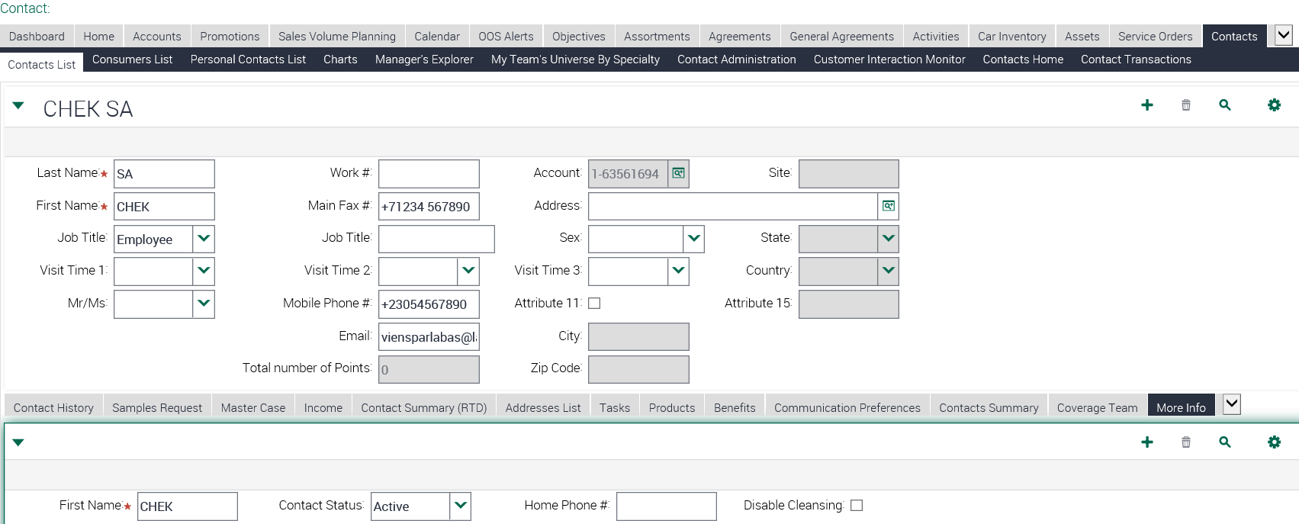

Screenshot 2:

Screenshot 3:

Screenshot 4:

BC
Screenshot 5:
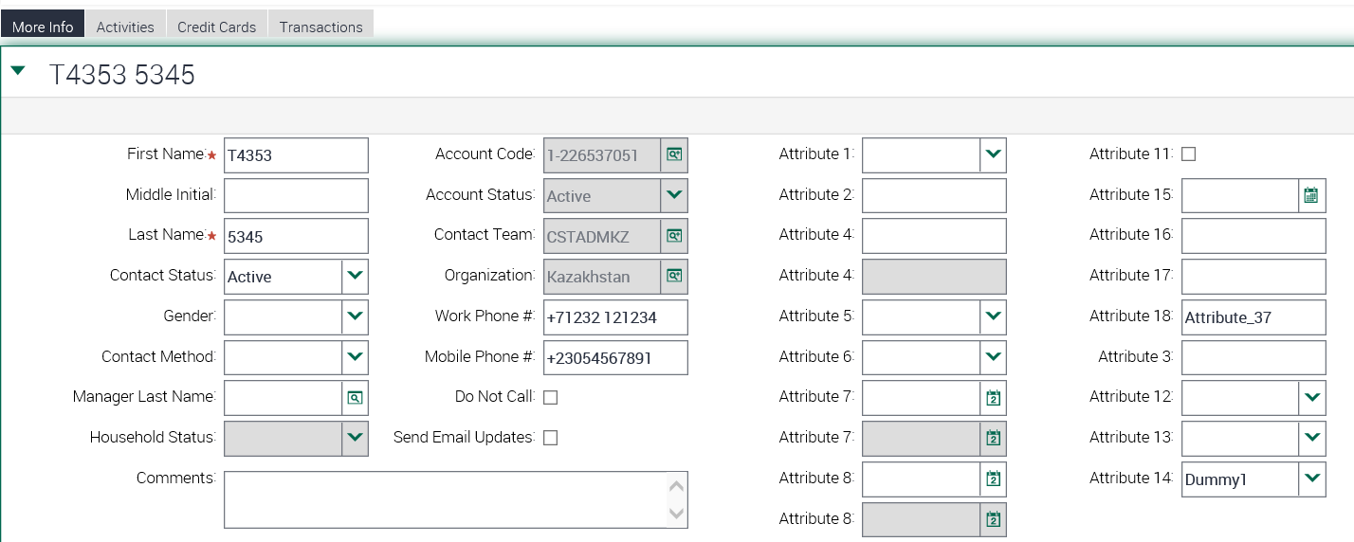

Screenshot 6:

Screenshot 7:

Screenshot 8:

PB
Screenshot 9:
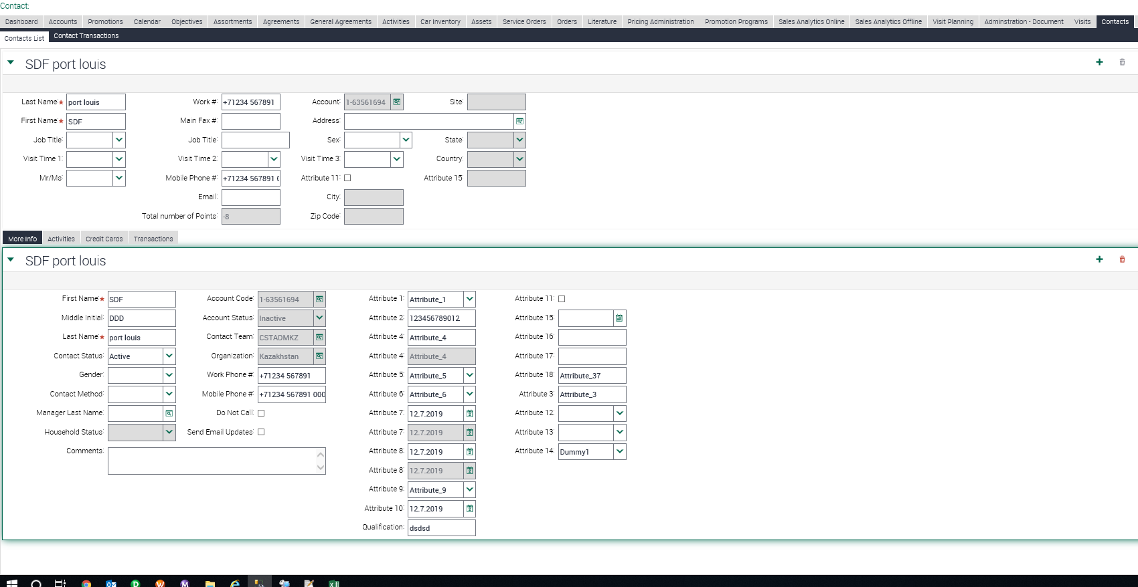

Screenshot 10:

Screenshot 11:

Screenshot 12:

